Buy Back Graph
Embedded energy Buyback |  |  |  | C02 Buyback
Uses | Paper cups (kWh) | Plastic cups (kWh) | Mason Jar (kWh) | Uses | Paper cups (Kg C02) | Plastic cups (Kg C02) | Mason Jar (Kg C02)
1 | 0.262 | 0.273 | 1.81 | 1 | 0.051 | 0.035 | 0.509
2 | 0.262 | 0.273 | 0.91 | 2 | 0.051 | 0.035 | 0.255
3 | 0.262 | 0.273 | 0.60 | 3 | 0.051 | 0.035 | 0.170
4 | 0.262 | 0.273 | 0.45 | 4 | 0.051 | 0.035 | 0.127
5 | 0.262 | 0.273 | 0.36 | 5 | 0.051 | 0.035 | 0.102
6 | 0.262 | 0.273 | 0.30 | 6 | 0.051 | 0.035 | 0.085
7 | 0.262 | 0.273 | 0.26 | 7 | 0.051 | 0.035 | 0.073
8 | 0.262 | 0.273 | 0.23 | 8 | 0.051 | 0.035 | 0.064
 |  |  |  | 9 | 0.051 | 0.035 | 0.057
 |  |  |  | 10 | 0.051 | 0.035 | 0.051
Embedded Energy Buyback
 |  |  |  | 11 | 0.051 | 0.035 | 0.046
 |  |  |  | 12 | 0.051 | 0.035 | 0.042
 |  |  |  | 13 | 0.051 | 0.035 | 0.039

CO2 Buyback

kWh Meme
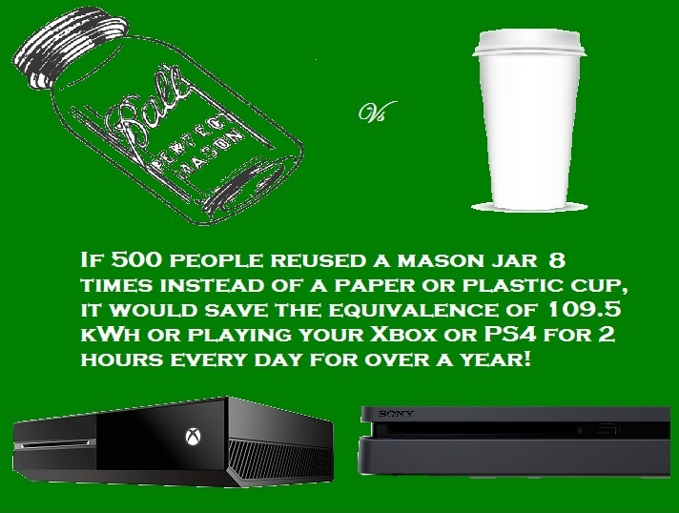

Kg CO2 Meme
