CO2 in panels
Description: | This sheet calculated the embedded CO2e in various photovoltaic panel types |  |  |  |  |  |  | Conversions
 |  |  |  |  |  |  |  | 1000 | kW/MW | Common knowledge
Embedded CO2 in panels |  |  |  |  |  |  |  | 2.205 | lb/kg | Engineering toolbox
Ppv | 3 | MW |  |  |  |  |  | 2000 | lb/ton | Engineering toolbox
Panel type and origon | G-G EU | G-BS EU | G-G Germany | G-BS Germany | G-G China | G-BS China | units | Source data for embedded CO2e in panels
Embedded CO2e per peak kW | 420 | 480 | 520 | 580 | 750 | 810 | kg CO2e/kWp | https://doi.org/10.1016/j.solmat.2021.111277
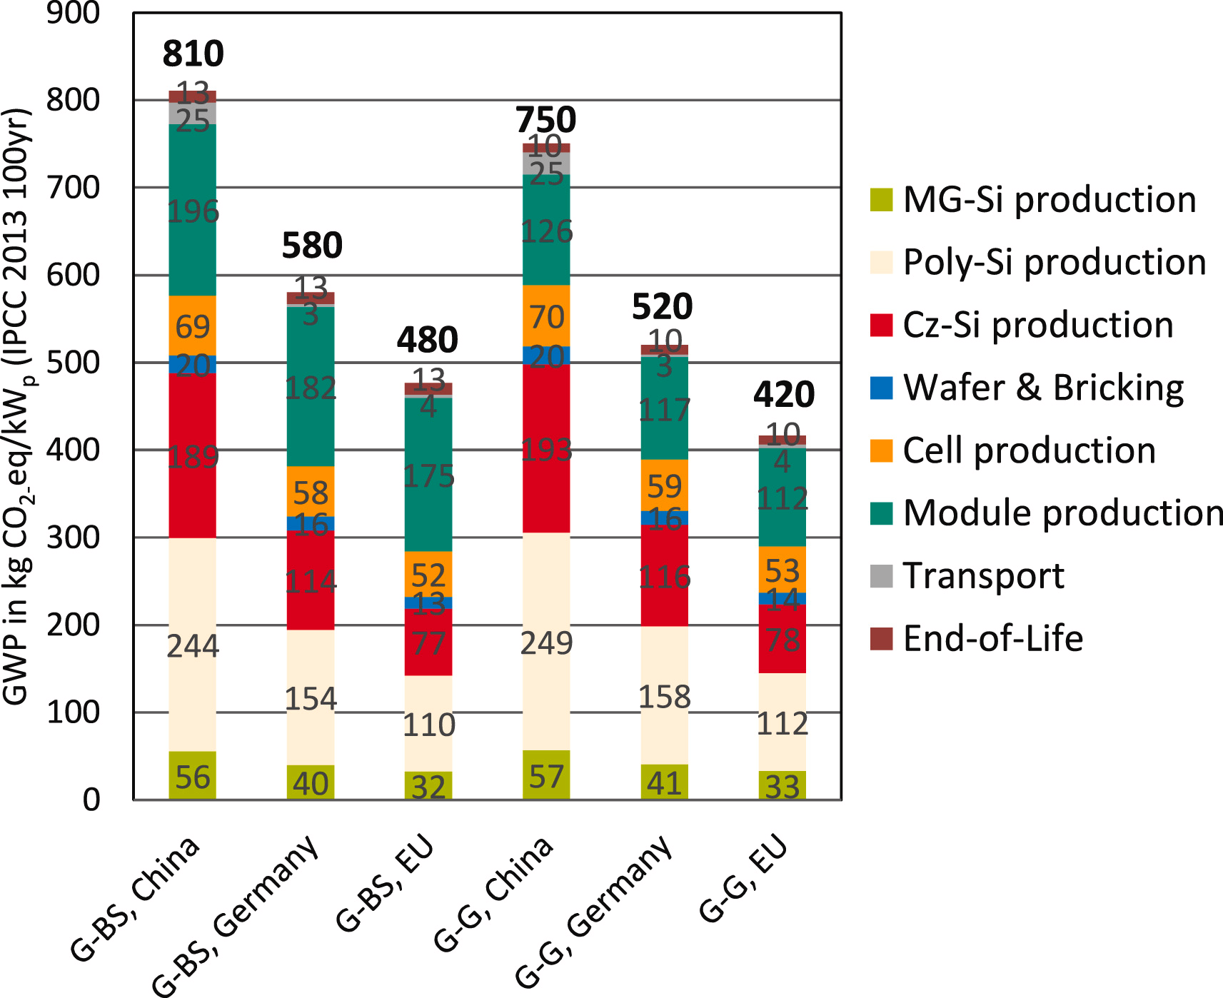
Embedded CO2 in our array | 1,389 | 1,587 | 1,720 | 1,918 | 2,480 | 2,679 | ton CO2e

Data for Graph
Description: | This sheet pulls values from previous sheets in order to graph the data over multiple years. The points where each horizontal line crosses the CO2e savings from the grid indicate the number of months to buyback the CO2e in that type of panel.

CPH 3MW Photovoltaic CO2e Comparison
 |  |  | Embedded CO2e by panel type (in tons of CO2e)
Month (Jan Start) | Monthly CO2e avoided (ton CO2e/month) | Total CO2e avoided (tons CO2e) | G-G EU | G-BS EU | G-G Germany | G-BS Germany | G-G China | G-BS China
1 | 81.4 | 81.4 | 1,389 | 1,587 | 1,720 | 1,918 | 2,480 | 2,679
2 | 84.1 | 165.4 | 1,389 | 1,587 | 1,720 | 1,918 | 2,480 | 2,679
3 | 109.0 | 274.4 | 1,389 | 1,587 | 1,720 | 1,918 | 2,480 | 2,679
4 | 126.9 | 401.4 | 1,389 | 1,587 | 1,720 | 1,918 | 2,480 | 2,679
5 | 147.6 | 549.0 | 1,389 | 1,587 | 1,720 | 1,918 | 2,480 | 2,679
6 | 165.6 | 714.6 | 1,389 | 1,587 | 1,720 | 1,918 | 2,480 | 2,679
7 | 146.6 | 861.2 | 1,389 | 1,587 | 1,720 | 1,918 | 2,480 | 2,679
8 | 131.4 | 992.6 | 1,389 | 1,587 | 1,720 | 1,918 | 2,480 | 2,679
9 | 139.9 | 1132.5 | 1,389 | 1,587 | 1,720 | 1,918 | 2,480 | 2,679
10 | 119.5 | 1252.0 | 1,389 | 1,587 | 1,720 | 1,918 | 2,480 | 2,679
11 | 86.7 | 1338.7 | 1,389 | 1,587 | 1,720 | 1,918 | 2,480 | 2,679
12 | 74.9 | 1413.6 | 1,389 | 1,587 | 1,720 | 1,918 | 2,480 | 2,679
13 | 81.4 | 1494.9 | 1,389 | 1,587 | 1,720 | 1,918 | 2,480 | 2,679
14 | 84.1 | 1579.0 | 1,389 | 1,587 | 1,720 | 1,918 | 2,480 | 2,679
15 | 109.0 | 1688.0 | 1,389 | 1,587 | 1,720 | 1,918 | 2,480 | 2,679
16 | 126.9 | 1815.0 | 1,389 | 1,587 | 1,720 | 1,918 | 2,480 | 2,679
17 | 147.6 | 1962.6 | 1,389 | 1,587 | 1,720 | 1,918 | 2,480 | 2,679
18 | 165.6 | 2128.2 | 1,389 | 1,587 | 1,720 | 1,918 | 2,480 | 2,679
19 | 146.6 | 2274.7 | 1,389 | 1,587 | 1,720 | 1,918 | 2,480 | 2,679
20 | 131.4 | 2406.1 | 1,389 | 1,587 | 1,720 | 1,918 | 2,480 | 2,679
21 | 139.9 | 2546.0 | 1,389 | 1,587 | 1,720 | 1,918 | 2,480 | 2,679
22 | 119.5 | 2665.6 | 1,389 | 1,587 | 1,720 | 1,918 | 2,480 | 2,679
23 | 86.7 | 2752.2 | 1,389 | 1,587 | 1,720 | 1,918 | 2,480 | 2,679
24 | 74.9 | 2827.2 | 1,389 | 1,587 | 1,720 | 1,918 | 2,480 | 2,679

