Comparison
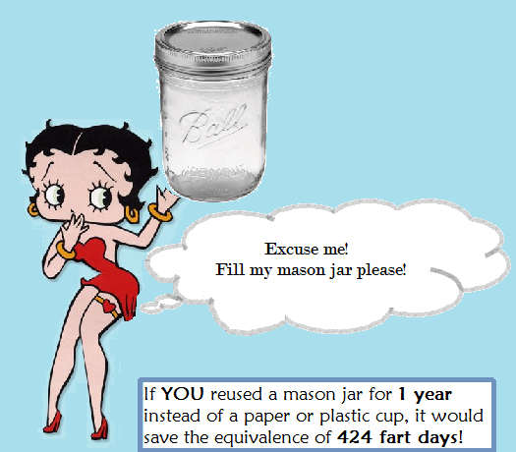
Cow farts aren't the only farts contributing to climate change! |  |  |  |  | Assumptions
Reduce your flatulence influence, reuse your mason jar! |  |  |  |  | .5 liter= | 0.13 | gallons
 |  |  |  |  | % co2/fart | 0.09
Just how much CO2 do you flatuate? |  |  |  | Did you know on average, a person flatuates 1/2 liter a day? | 1gal= | 8.34 | pounds
A day? | 0.1 | pounds |  |  | days/month | 30.42
A week? | 0.7 | pounds |  |  | months/year | 12
A year? | 36 | pounds |  |  | days/week | 7
 |  |  |  |  | weeks/month | 4
How much CO2 can you save via jar reuse? |  |  |  |  | Mason jar co2 | 0.509 | kg
# of reuses | 1 |  |  |  | Plastic cup co2 | 0.035 | kg
eliminated plastic cup saves CO2= | 0.077 | pounds CO2 | How many fart days are saved? | 0.789 | Paper cup co2 | 0.051 | kg
eliminated paper cup saves CO2= | 0.112 | pounds CO2 | How many fart days are saved? | 1.15 | gram/kg | 1000
 |  |  |  |  | kg/pound | 0.45
Assuming you own a jar, by reusing it, you can save? |  |  |  |  | pound/kg | 2.2
# of times | CO2(lbs)/ paper cup not used | Fart days saved
1 | 0.11 | 1.16
2 | 0.23 | 2.32
3 | 0.34 | 3.48
4 | 0.45 | 4.65
5 | 0.57 | 5.81
6 | 0.68 | 6.97
7 | 0.79 | 8.13
8 | 0.91 | 9.29
9 | 1.02 | 10.45
10 | 1.13 | 11.61
365 | 41.37 | 423.93

Buy Back
CO2 Buy Back
CO2 (kg) Buy Back |  |  |  | Energy Buy Back (kWh)
# of uses | Mason jar | Plastic cup | Paper cup | # of uses | Mason jar | Plastic cup | Paper cup
1 | 0.509 | 0.035 | 0.051 | 1 | 1.81 | 0.273 | 0.262
2 | 0.255 | 0.035 | 0.051 | 2 | 0.905 | 0.273 | 0.262
3 | 0.170 | 0.035 | 0.051 | 3 | 0.603 | 0.273 | 0.262
4 | 0.127 | 0.035 | 0.051 | 4 | 0.453 | 0.273 | 0.262
5 | 0.102 | 0.035 | 0.051 | 5 | 0.362 | 0.273 | 0.262
6 | 0.085 | 0.035 | 0.051 | 6 | 0.302 | 0.273 | 0.262
7 | 0.073 | 0.035 | 0.051 | 7 | 0.259 | 0.273 | 0.262
8 | 0.064 | 0.035 | 0.051 | 8 | 0.226 | 0.273 | 0.262
9 | 0.057 | 0.035 | 0.051 | 9 | 0.201 | 0.273 | 0.262
10 | 0.051 | 0.035 | 0.051 | 10 | 0.181 | 0.273 | 0.262
11 | 0.046 | 0.035 | 0.051 | 11 | 0.165 | 0.273 | 0.262
12 | 0.042 | 0.035 | 0.051 | 12 | 0.151 | 0.273 | 0.262
Energy Buy Back
13 | 0.039 | 0.035 | 0.051 | 13 | 0.139 | 0.273 | 0.262
14 | 0.036 | 0.035 | 0.051 | 14 | 0.129 | 0.273 | 0.262
15 | 0.034 | 0.035 | 0.051 | 15 | 0.121 | 0.273 | 0.262
16 | 0.032 | 0.035 | 0.051 | 16 | 0.113 | 0.273 | 0.262
17 | 0.030 | 0.035 | 0.051 | 17 | 0.106 | 0.273 | 0.262
18 | 0.028 | 0.035 | 0.051 | 18 | 0.101 | 0.273 | 0.262
19 | 0.027 | 0.035 | 0.051 | 19 | 0.095 | 0.273 | 0.262
20 | 0.025 | 0.035 | 0.051 | 20 | 0.091 | 0.273 | 0.262
21 | 0.024 | 0.035 | 0.051 | 21 | 0.086 | 0.273 | 0.262
22 | 0.023 | 0.035 | 0.051 | 22 | 0.082 | 0.273 | 0.262
23 | 0.022 | 0.035 | 0.051 | 23 | 0.079 | 0.273 | 0.262
24 | 0.021 | 0.035 | 0.051 | 24 | 0.075 | 0.273 | 0.262
25 | 0.020 | 0.035 | 0.051 | 25 | 0.072 | 0.273 | 0.262
26 | 0.020 | 0.035 | 0.051 | 26 | 0.070 | 0.273 | 0.262
27 | 0.019 | 0.035 | 0.051 | 27 | 0.067 | 0.273 | 0.262
28 | 0.018 | 0.035 | 0.051 | 28 | 0.065 | 0.273 | 0.262

