buyback
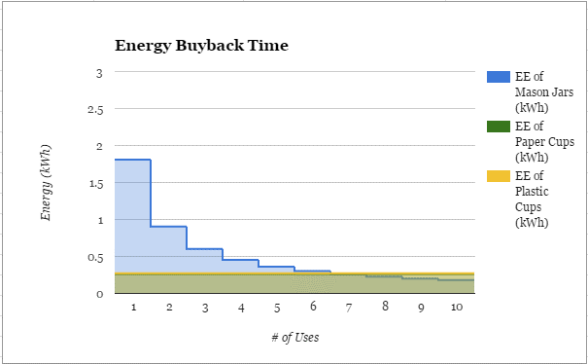
The following table illustrates the embedded energy and carbon dioxide of reusable mason jars, disposable paper cups, and disposable plastic cups. |  |  |  |  |  |  | Raw Data
Embedded Energy and Carbon Dioxide of HSU Drinking Vessels |  |  |  |  |  |  |  | Embedded Energy | Unit | Embedded CO2 | Unit
Uses | EE of Mason Jars (kWh) | Embedded CO2 of Mason Jars (kg) | EE of Paper Cups (kWh) | Embedded CO2 of Paper Cups (kg) | EE of Plastic Cups (kWh) | Embedded CO2 of Plastic Cups (kg) | Mason Jar | 1.81 | kWh | 0.509 | kg
1 | 1.81 | 0.509 | 0.262 | 0.051 | 0.273 | 0.035 | Paper Cup | 0.262 | kWh | 0.051 | kg
2 | 0.91 | 0.255 | 0.262 | 0.051 | 0.273 | 0.035 | Plastic Cup | 0.273 | kWh | 0.035 | kg
3 | 0.60 | 0.170 | 0.262 | 0.051 | 0.273 | 0.035
4 | 0.45 | 0.127 | 0.262 | 0.051 | 0.273 | 0.035
5 | 0.36 | 0.102 | 0.262 | 0.051 | 0.273 | 0.035
6 | 0.30 | 0.085 | 0.262 | 0.051 | 0.273 | 0.035
7 | 0.26 | 0.073 | 0.262 | 0.051 | 0.273 | 0.035
8 | 0.23 | 0.064 | 0.262 | 0.051 | 0.273 | 0.035
9 | 0.20 | 0.057 | 0.262 | 0.051 | 0.273 | 0.035
10 | 0.18 | 0.051 | 0.262 | 0.051 | 0.273 | 0.035
11 | 0.16 | 0.046 | 0.262 | 0.051 | 0.273 | 0.035
12 | 0.15 | 0.042 | 0.262 | 0.051 | 0.273 | 0.035
13 | 0.14 | 0.039 | 0.262 | 0.051 | 0.273 | 0.035
14 | 0.13 | 0.036 | 0.262 | 0.051 | 0.273 | 0.035
15 | 0.12 | 0.034 | 0.262 | 0.051 | 0.273 | 0.035
16 | 0.11 | 0.032 | 0.262 | 0.051 | 0.273 | 0.035
17 | 0.11 | 0.030 | 0.262 | 0.051 | 0.273 | 0.035
18 | 0.10 | 0.028 | 0.262 | 0.051 | 0.273 | 0.035
19 | 0.10 | 0.027 | 0.262 | 0.051 | 0.273 | 0.035
20 | 0.09 | 0.025 | 0.262 | 0.051 | 0.273 | 0.035
21 | 0.09 | 0.024 | 0.262 | 0.051 | 0.273 | 0.035
22 | 0.08 | 0.023 | 0.262 | 0.051 | 0.273 | 0.035
23 | 0.08 | 0.022 | 0.262 | 0.051 | 0.273 | 0.035
24 | 0.08 | 0.021 | 0.262 | 0.051 | 0.273 | 0.035
25 | 0.07 | 0.020 | 0.262 | 0.051 | 0.273 | 0.035
26 | 0.07 | 0.020 | 0.262 | 0.051 | 0.273 | 0.035
27 | 0.07 | 0.019 | 0.262 | 0.051 | 0.273 | 0.035
28 | 0.06 | 0.018 | 0.262 | 0.051 | 0.273 | 0.035
29 | 0.06 | 0.018 | 0.262 | 0.051 | 0.273 | 0.035
30 | 0.06 | 0.017 | 0.262 | 0.051 | 0.273 | 0.035

